Simulation data
% W in Soil | O(6.14) | Si(1.78) | H(2.24) | si(3.55) | Si(4.94) | O-6.14 | Si-1.78 | H-2.24 | Si-3.55 | Si-4.94
0 | 9.27E-05 | 1.60E-05 | 2.23E-06 | 3.25E-07 | 3.01E-07 | 9272 | 1599 | 223 | 33 | 30
5 | 8.86E-05 | 1.49E-05 | 2.07E-06 | 2.79E-07 | 2.93E-07 | 8857 | 1487 | 207 | 28 | 29
10 | 8.51E-05 | 1.39E-05 | 2.58E-06 | 2.79E-07 | 3.22E-07 | 8511 | 1391 | 258 | 28 | 32
15 | 8.20E-05 | 1.30E-05 | 5.27E-06 | 3.94E-07 | 4.12E-07 | 8197 | 1304 | 527 | 39 | 41
20 | 7.88E-05 | 1.24E-05 | 1.15E-05 | 5.17E-07 | 5.04E-07 | 7880 | 1240 | 1153 | 52 | 50
25 | 7.59E-05 | 1.17E-05 | 2.23E-05 | 6.72E-07 | 6.66E-07 | 7591 | 1175 | 2227 | 67 | 67
30 | 7.34E-05 | 1.12E-05 | 3.72E-05 | 8.78E-07 | 8.09E-07 | 7338 | 1123 | 3718 | 88 | 81

Sheet2
% W in Soil | Si(1.78) | Fit-1.78-x100000 | Inter-pol-1.788 | Si-3.35
0 | 1.60E-05 | 1599 | 1597
1 |  |  | 1574.388 |  | si(3.55) | Si(4.94)
2 |  |  | 1552.252 |  | 3.25224E-07 | 3.0087E-07
3 |  |  | 1530.592 |  | 2.78643E-07 | 2.93137E-07
4 |  |  | 1509.408 |  | 2.79338E-07 | 3.21614E-07
5 | 1.49E-05 | 1487 | 1488.7 |  | 3.94392E-07 | 4.1157E-07
6 |  |  | 1468.468 |  | 5.16667E-07 | 5.04087E-07
7 |  |  | 1448.712 |  | 6.72407E-07 | 6.66394E-07
8 |  |  | 1429.432 |  | 8.77549E-07 | 8.08937E-07
9 |  |  | 1410.628
10 | 1.39E-05 | 1391 | 1392.3
13 |  |  | 1340.172
15 | 1.30E-05 | 1304 | 1307.8
20 | 1.24E-05 | 1240 | 1235.2
25 | 1.17E-05 | 1175 | 1174.5
30 | 1.12E-05 | 1123 | 1125.7
 | Fit-1.78-x100000
0 | 1599
1
2
3
4
5 | 1487
6
7
8
9
10 | 1391
13
15 | 1304
20 | 1240
25 | 1175
30 | 1123
 | Fit-1.78-x100000 | Inter-pol-1.788
0 | 1599 | 1597
1 |  | 1574.388
2 |  | 1552.252
3 |  | 1530.592
4 |  | 1509.408
5 | 1487 | 1488.7
6 |  | 1468.468
7 |  | 1448.712
8 |  | 1429.432
9 |  | 1410.628
10 | 1391 | 1392.3
13 |  | 1340.172
15 | 1304 | 1307.8
20 | 1240 | 1235.2
25 | 1175 | 1174.5
30 | 1123 | 1125.7

interpolation
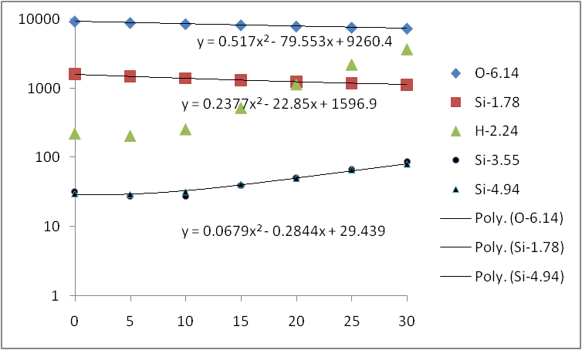
wt.% | O-Yield-6.14 | Si-Yield-1.78 | Si-yield-3.55 | H-Yield-2.24
0 | 9260 | 1597 | 29 | 234
0.1 | 9252 | 1595 | 29 | 233
0.5 | 9221 | 1586 | 29 | 226
0.8 | 9197 | 1579 | 29 | 222
1 | 9181 | 1574 | 29 | 219
1.2 | 9166 | 1570 | 29 | 216
1.5 | 9142 | 1563 | 29 | 211
2 | 9103 | 1552 | 29 | 205
2.5 | 9065 | 1541 | 29 | 199
3.5 | 8988 | 1520 | 29 | 190
4 | 8950 | 1509 | 29 | 186
4.5 | 8913 | 1499 | 30 | 184
5 | 8876 | 1489 | 30 | 183
6 | 8802 | 1468 | 30 | 184
7.5 | 8693 | 1439 | 31 | 198
 | H-2.24
0 | 223
5 | 207
10 | 258
15 | 527
20 | 1153
25 | 2227
30 | 3718
8.5 | 8622 | 1420 | 32 | 215
9 | 8586 | 1411 | 32 | 227
10 | 8517 | 1392 | 33 | 256
15 | 8183 | 1308 | 40 | 551
20 | 7876 | 1235 | 51 | 1165
25 | 7595 | 1175 | 65 | 2193
30 | 7339 | 1126 | 82 | 3734

